Sayfa1
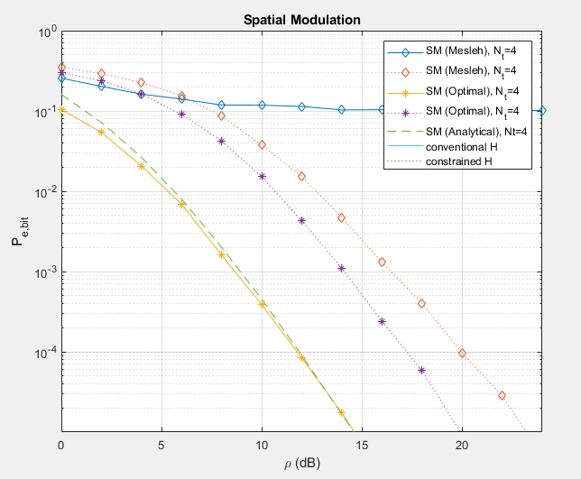
 |  | INTRODUCTION TO CORELAB TASKS

NAME: | BURAK ÖZPOYRAZ

FUNDAMENTAL SIMULATIONS

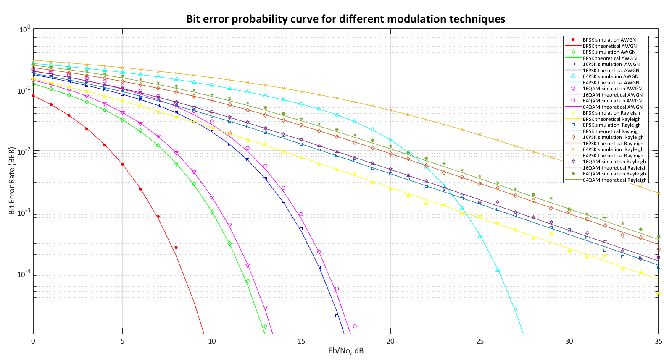

ALAMOUTI & MRC
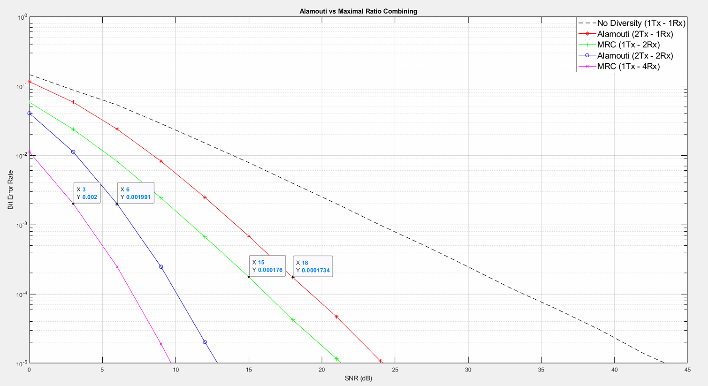

SM

